Sheet2
https://www.amazon.com/Bloatware-4AFart/dp/B019NU7L5O

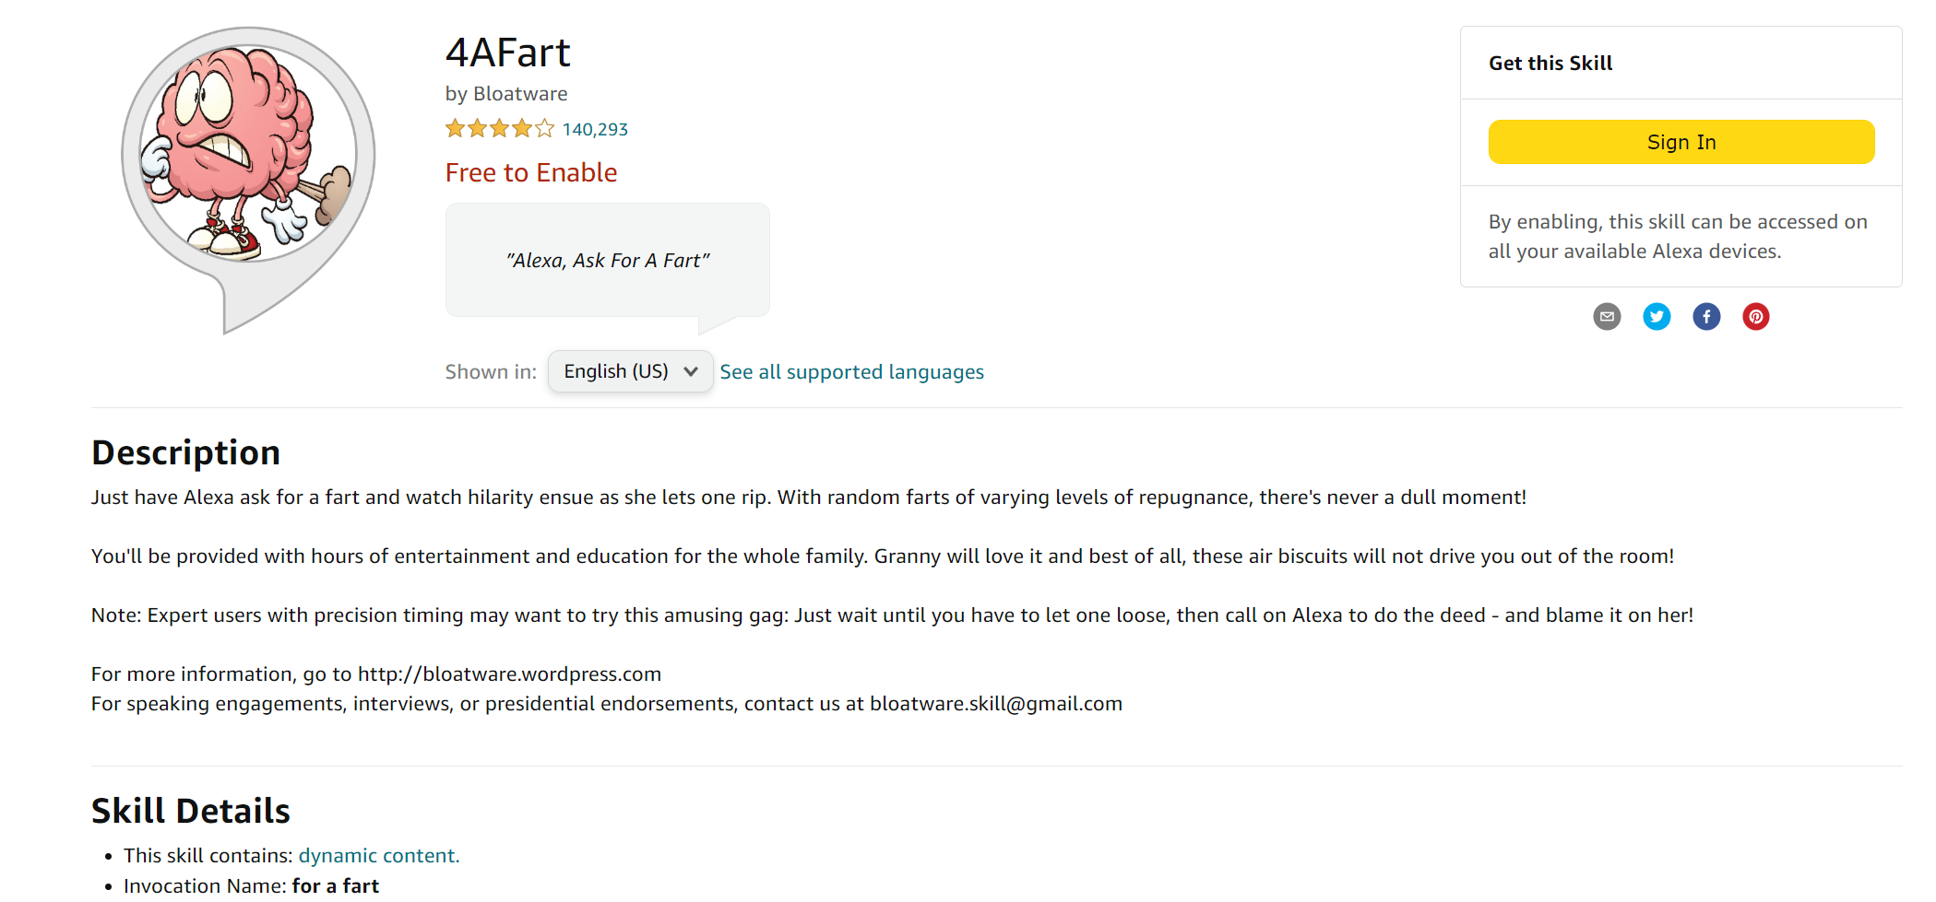

 | feature request | not loud enough

 | bug report | never install

